Instructions
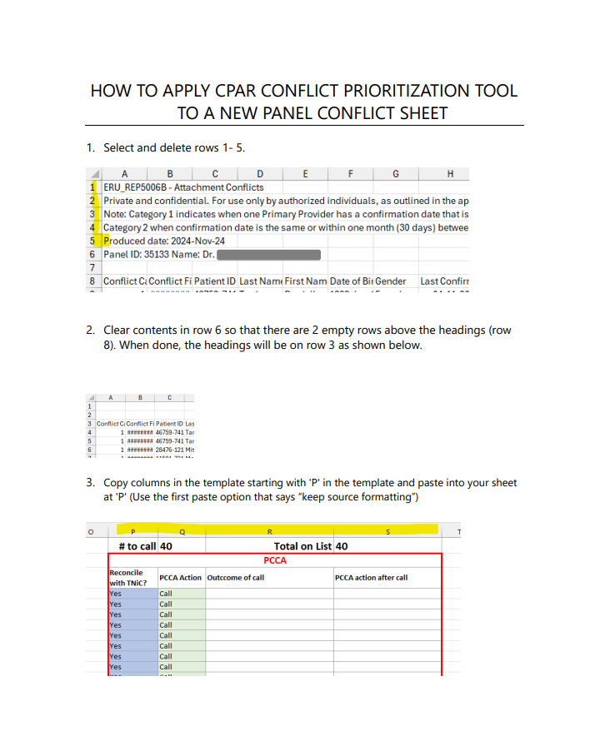
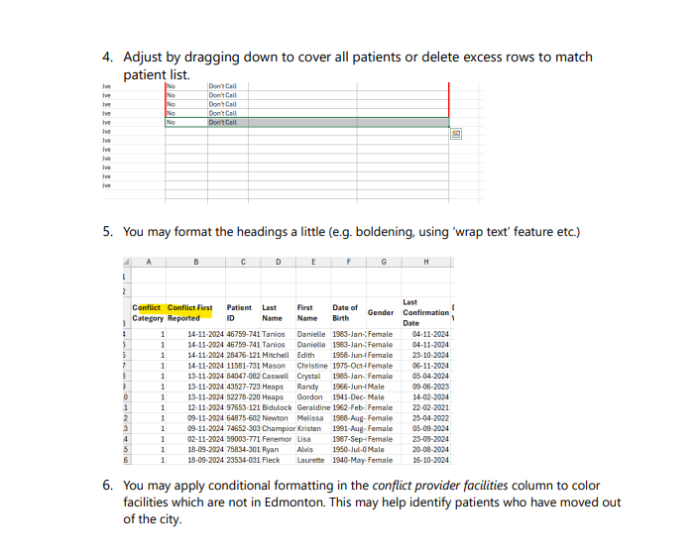
After reviewing these instructions, please refer to the second sheet tab in this workbook for the usable tool

